Sheet1
Model No. : | T670
Feature : | All in one Capacitive Touch POS System with Aluminum Alloy Housing
Pictures |  | Details
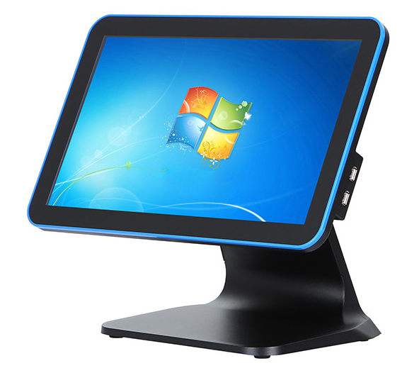 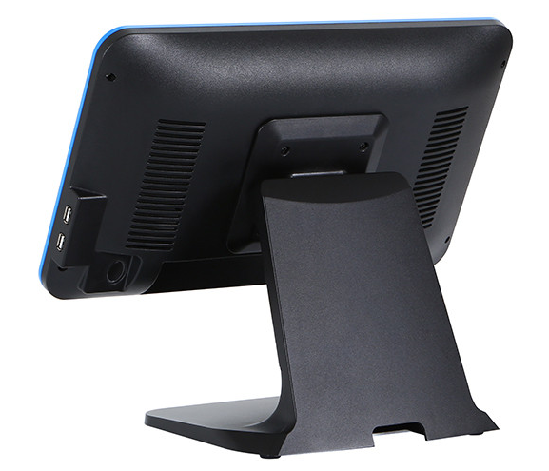 | Display | 15.6" Industrial Grade A LED (16:9)
 | Resolution : | 1366 x 768 Pixels / 1920x1080 Pixels (Optional)
 | Brightness : | 300 CD/㎡
 | Mother board : | Industrail Grade Motherboard 1037 (upgrade to J1800, J1900, I3 & I5 motherboard Optional)
 | CPU : | Intel celeron 1037 dual-core 1.8GHz (upgrade to CPU J1800, J1900, I3 & I5 i7 Optional)
 | Memory : | DDR3-2G (upgrade to 4GB/8GB optional)
 | Hard Disk : | SSD 32G (upgrade to 64G/128GB/256GB optional)
 | I/O : | USB x 6 ; RJ45 x 1 ; COM x 1 ;VGA x 1; PS/2 x 2;LPT x 1;MIC x 1; Audio x 2 (COM x 2 Optional)
 | Touchscreen : | 10-Ponits Capacitive Touchscreen
 | Customer Display : | 8 Digital Display/VFD220/12"customer display/ 15"LED customer display (Optional)
 | OS support : | Windows XP/ Win 7/ Win 10
 | Power Supply : | Power Supply(100-260VAC50-60Hz) 12V 5A
 | Color : | Black/White/Orange/Blue Optional
 | Material of Housing | Plastic Case + Aluminium Base
 | Accessories: (Optional) | Cash Drawer
 |  | Thermal Printer (58 mm/80 mm)
 |  | Barcode Scanner Black (one-dimention/two-dimention)
 |  | Card Reader (Integrated MSR)
 |  | Wifi /3G
 | Packing : | Single Box with Inner Foam
 | Service : | Generic products/OEM Service offer
 | Warranty : | Two Years Warranty
Packing : | Individual Gift Box with Inner Foam protected , 2 Boxes /Outer Carton
Application : | Hosiptality: restaurant, fast food chain, cafe shop, etc. Retail: supermarket, shopping mall, retail store, etc. Others: KTV, club bar, gas station, Banks etc.
Our Advantages : | 1. Extensive Productive experience in All in One and Industrial Monitor 2. Use High quality Material parts such as Industrial Grade A Panel ,Kingstom brand Memory ,UL passed Power Supply 3. Fast Lead time and Excellent Productive capacity 4.18 Months Warranty and Long term Technologic Maintenance Supports 5. We can accept different Kinds of Customized requirement in All in one POS System ,Industrial monitor ,open frame monitor ,even in Advertisint Player area .
H.S.: | 8470501000
Optional Atrribute | Wifi | Support (Opitional )
 | 3G/4G | Support (Opitional )

